Sheet1
Rebate feature
 | # 0 User setting
 | For using rebate feature, check [Loan Rebate] on the user setting
 | Then , log in again.
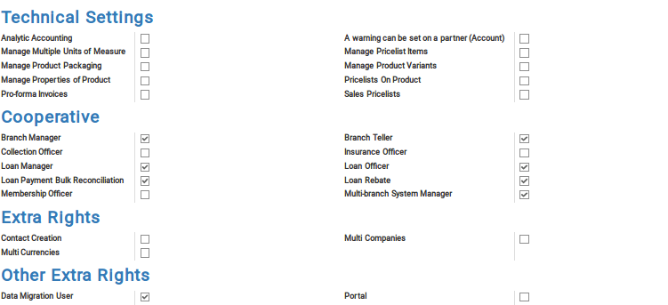

 | How to register rebate

 | #1.Tap [Rebate] button in loan registration form.
 | This button appears only on the loan status of approved ,past due, and paid.
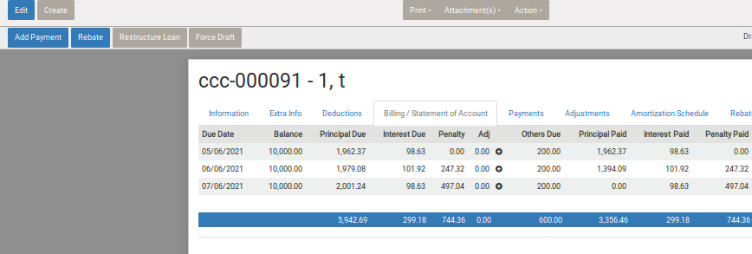

Select account title for this rebate transaction. If you select 309901 here, journal entry below will be created by daily posting.
debit credit
309901 test income account 1000
xxxxxxx cash 1000
you can set default account ttile for this, so that you don't have to set the account every time.
For default account title for rebate , see #4
 | #2.Then input necessary data
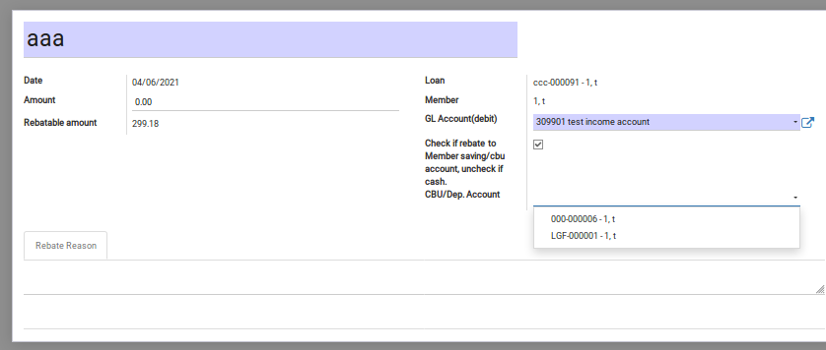
input name of this rebate data.This name will appear as memo info on journal entries data

Input rebate amount.
Rebatable amount is appered under this field.Regarding rebatable amount , see #3

If you need to rebate the amount to member's saving / cbu account instead of cash payment , you can select this.
Then the rebated amount will be added on the member's saving / cbu account when confirm this rebate transaction. see #5

 | #3 Rebatable amount
 | Supposed rebate operation is for the refund in case the loanee paid earlier than schedule and coop need to pay back the part of paid interest.
 | So system calculate rebatable amount as limit of inputtable rebate amount.

20191106 add
 | You can set rebatable amount type, (only for interest rebate , or interest and penalty) In each loan type.
 | (default is interest only) |  |  | 20191106 add
 | This type is used for calculation of debatable amount when debate entry.

 | In case of [interest_only] >> you can input rebate entry , upto the amount of paid interest. (plus Upfront Interest (the deduction code is ADV-INT )
 | In case of [int and penalty] >> you can input rebate entry, upto the amount of paid interest and paid penalty.
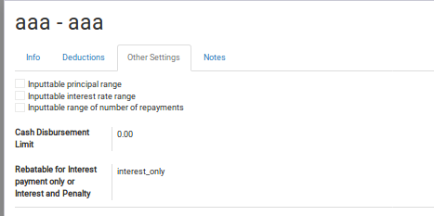

 | #4 Default rebate account title setting
 |  | Set default account title for debate. This account title will appear as on by default
 |  | Setting>Users >Company [Account Settings] tab
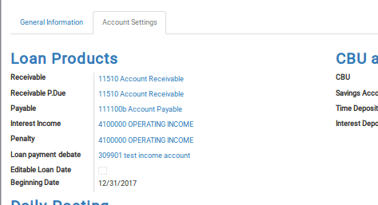

 | #5 In field of CBU/Saving accout, the cbu or saving account the member has can be selected.
 | If the account selected ,the amount will be rebated into the indicated account after confirm the rebate transaction.
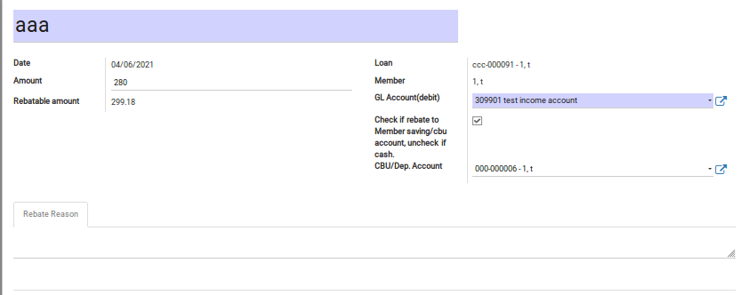

 | #6 How to check inputted rebate summary
 |  | can be seen in Loan > Rebate menu

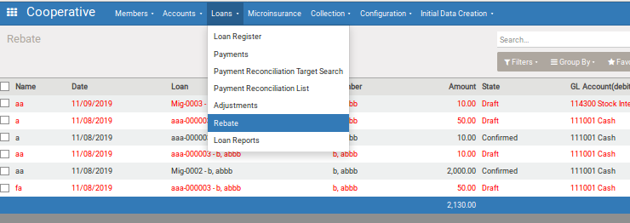

 | #7 Cancel rebate
 |  | If before confirmed, you can cancel by tap [cancel] button
 |  | If cancelled , no transaction will be created.
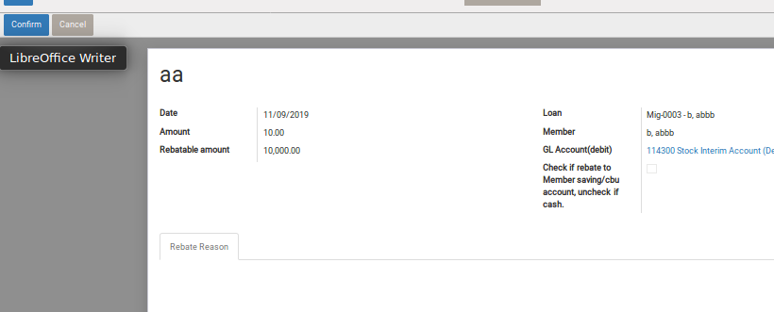

 | #8 Reverse
 |  | If you found some mistake after confirmed, you can reverse the rebate.
 |  | In this case, the reverse transaction (with negative amount ) will be created. Also transaction date is the date which the reverse rebate is entered

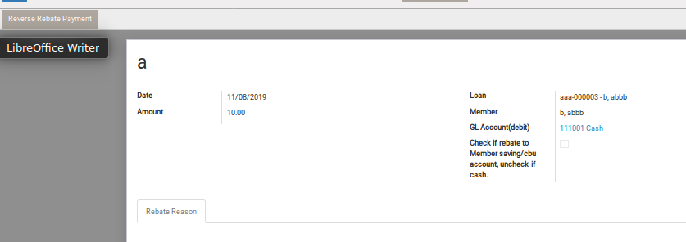

 |  |  | this kind of negative amount transaction will be created.

